Forgot Password
Step | Action | Test Data | Expected Behavior | Status
Prereq. | Be on the website https://opensource-demo.orangehrmlive.com/web/index.php/auth/login
3 | Forgot Password
3.1 | Click: Forgot your password? | Be directed to another screen to change your password | Forwards to the page: https://opensource-demo.orangehrmlive.com/web/index.php/auth/requestPasswordResetCode
 |  |  | 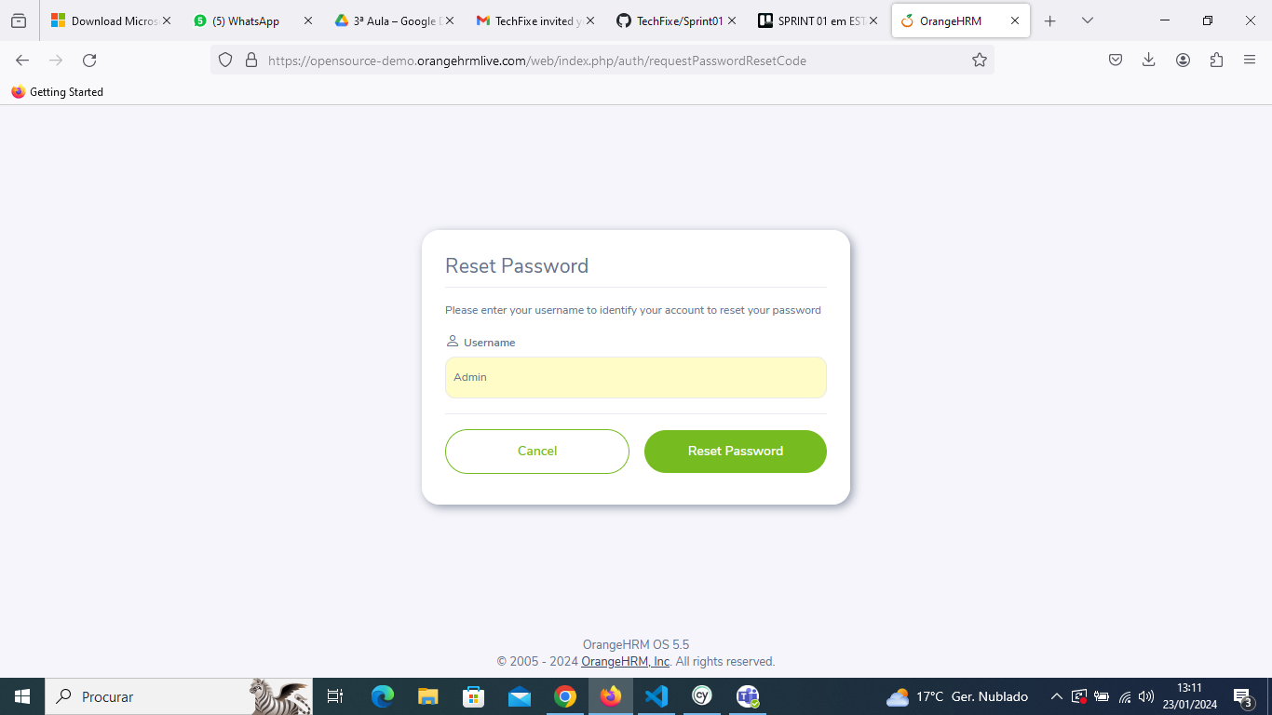 | Ok
3.2 | Click Reset Passwor | Be directed to another screen | https://opensource-demo.orangehrmlive.com/web/index.php/auth/sendPasswordReset
 |  |  | 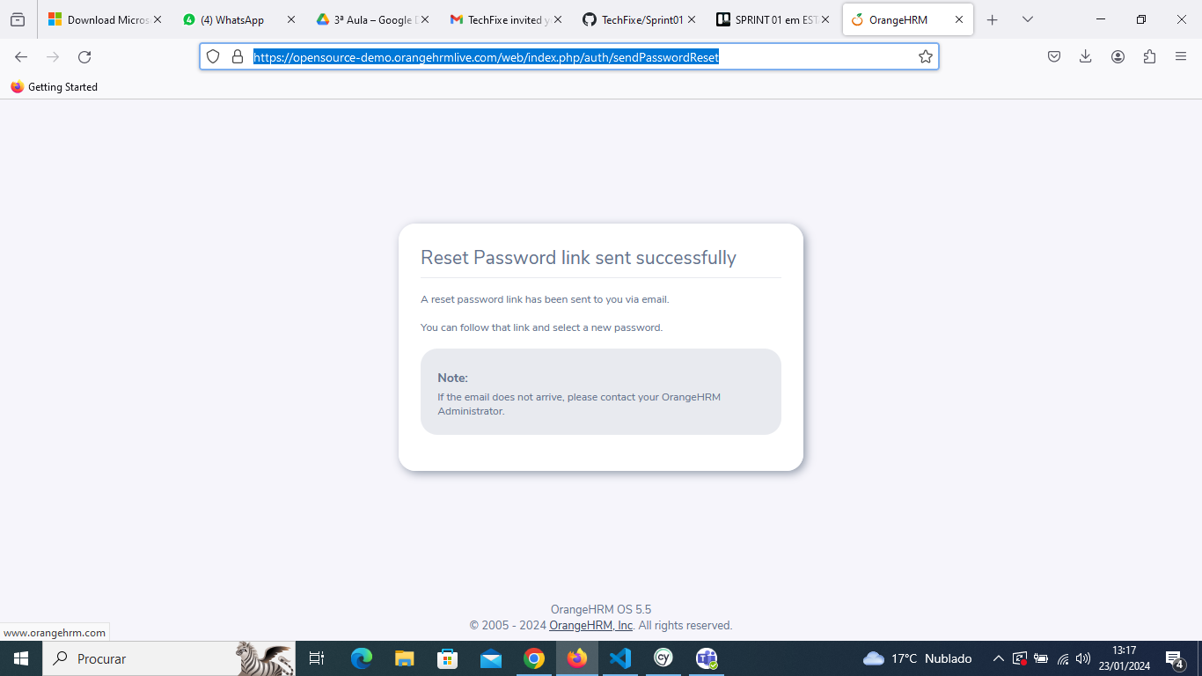

Teste de Responsividade
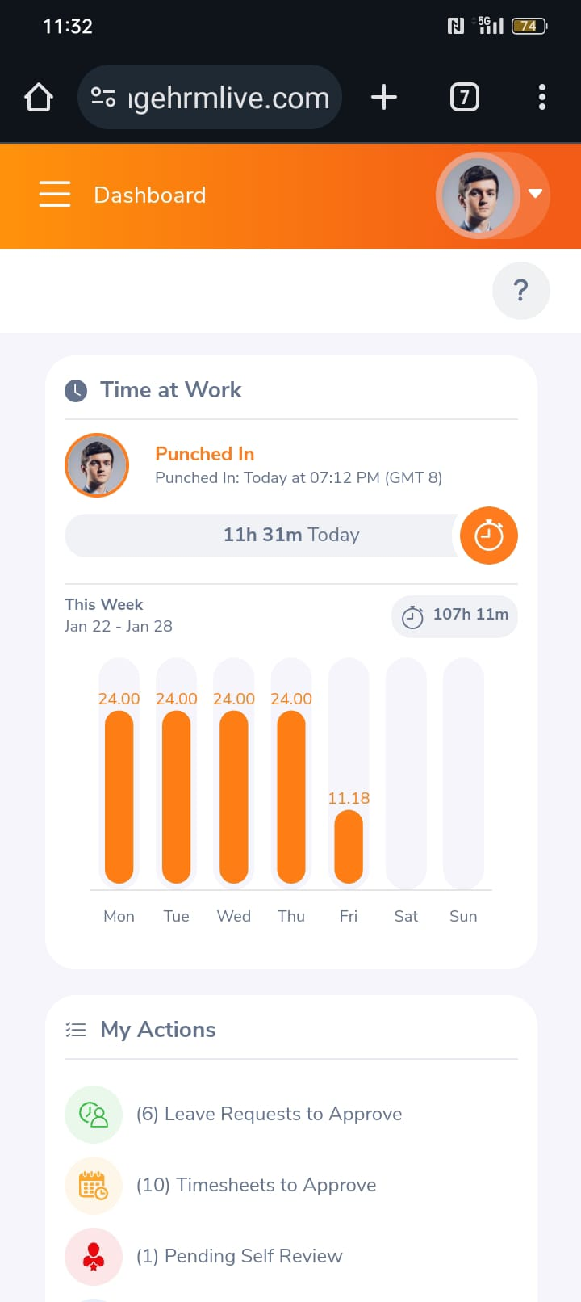
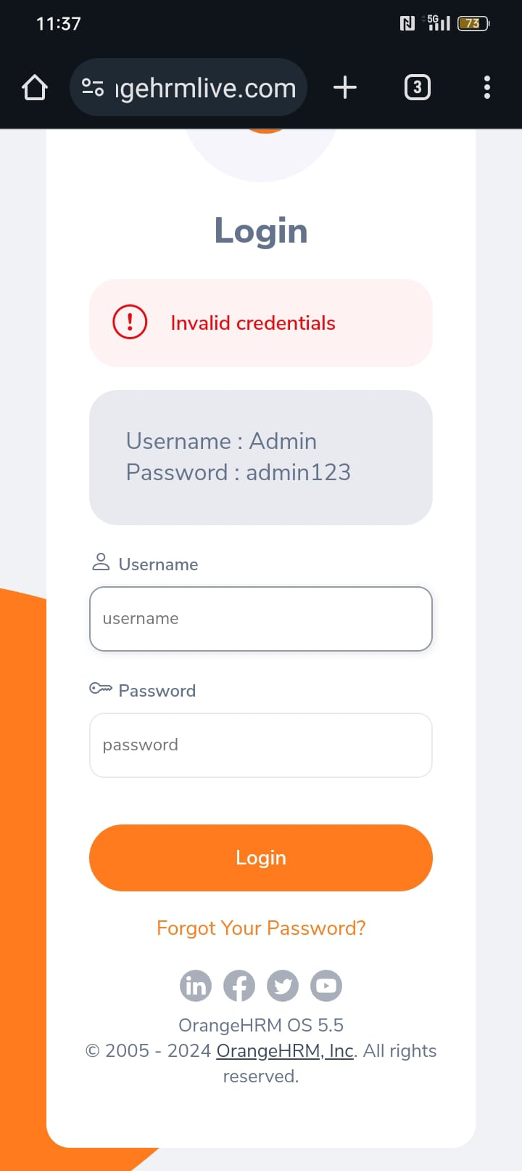
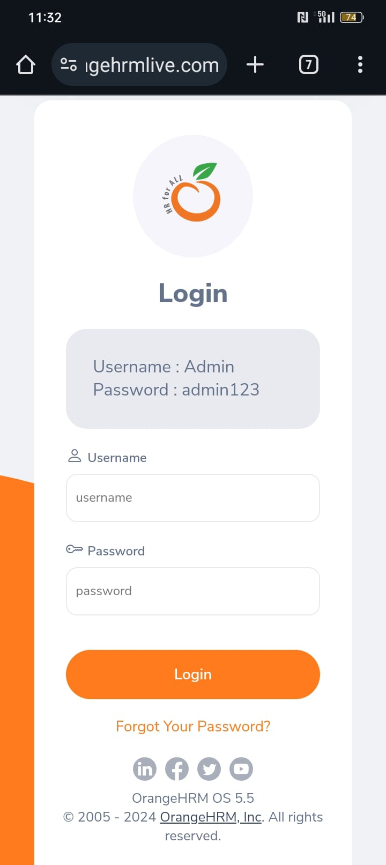
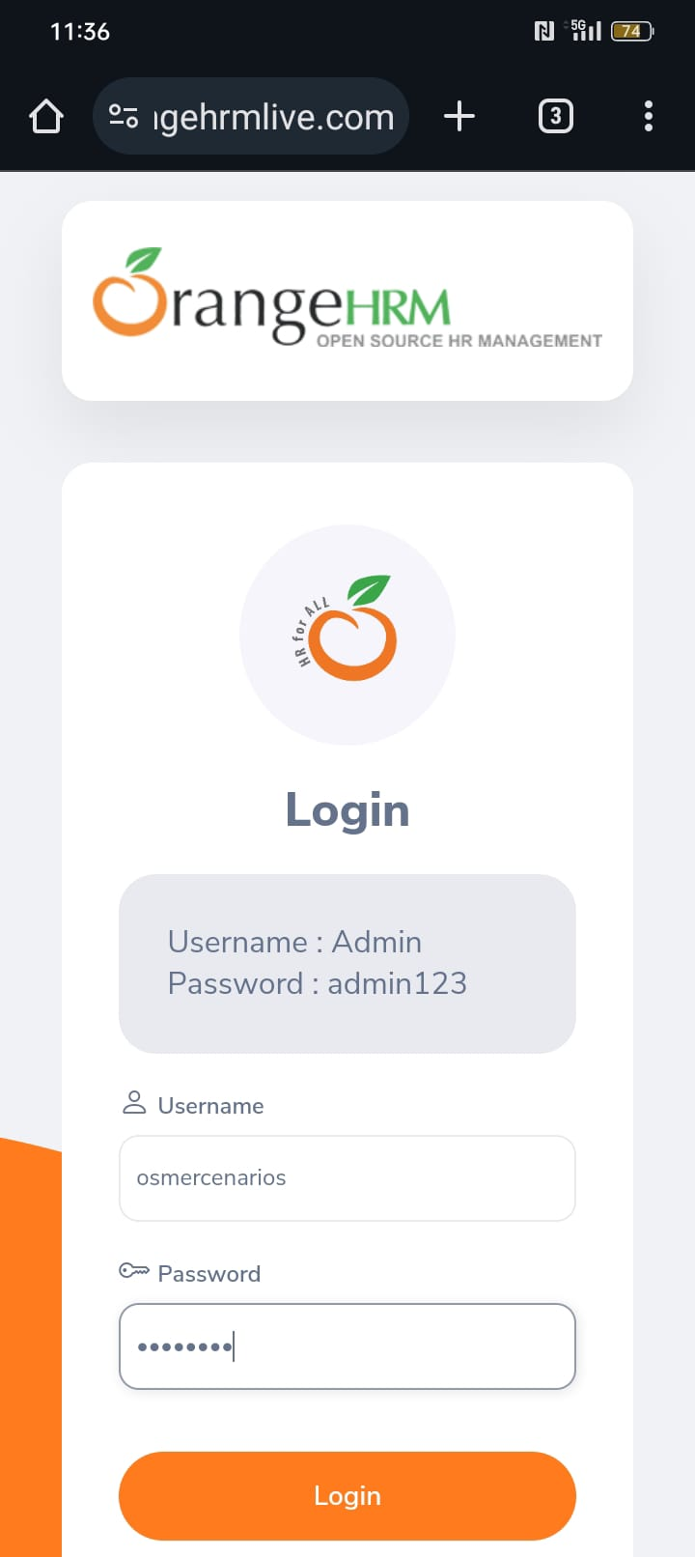
Step | Action | Test Data | Expected Behavior | Status
Prereq. | Be on the website https://opensource-demo.orangehrmlive.com/web/index.php/auth/login através do aparelho de telemovel OPPO A78 5G Modelo CPH2483 Usando o Chrome com a versão: 121.0.6167.101
4 | Teste de Responsividade

